Bahan
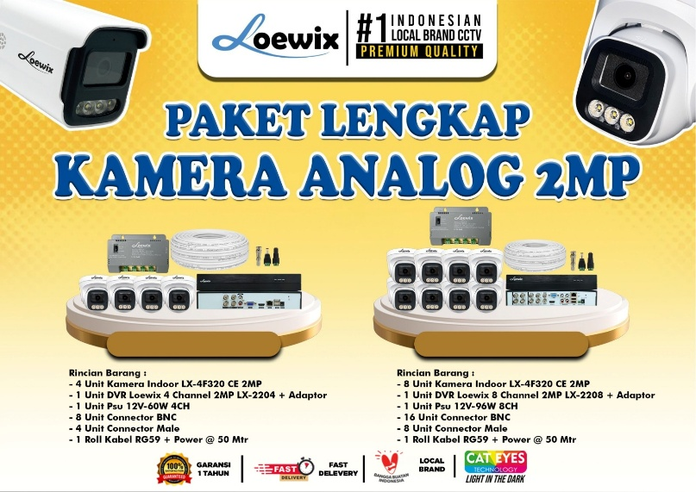

Selamat Sore, Anto mau info nih karbar gembira untuk Para Reseller Loewix Sekarang ada PAKET HEMAT KHUSUS Reseller – lebih praktis, lebih murah dan isinya KOMPLIT! 💸 Harga Spesial ✅ Peralatan Lengkap ✅ Kualitas Terbaik ✅ Langsung Pakai di Lapangan Untuk Harga Paket : * 4 Channel : Rp. 950.000 * 8 Channel : Rp. 1.500.000 BISA PILIH PAKET SESUAI KEBUTUHAN! 💰 📞 ORDER SEKARANG SEBELUM HABIS

